GEROBAK XL
PROJECT |  | Gerobak XL Keliling |  | LINK FOTO STRUK/ INVOICE/ KWITANSI
BILLING
 |  |  |  |  |  |  |  | -0.13%
No | Tanggal | Category | Bukti Nota | Deksripsi | 72,093,884 | 17,355,000 | 72,000,000 | -93,884 | Keterangan
 |  |  |  | Pengeluaran | Uang Keluar (Debit) | CA | Uang Masuk (Kredit) | Saldo/Defisit
1 | 2025-02-09 | Credit | Invoice/ Kwitansi | Term 1 Pak Rully |  |  | 2,000,000 |  | -
2 | 2025-02-09 | Printing | Invoice/ Kwitansi | Printingan Sticker FA | 236,670 |  |  |  | Anggi
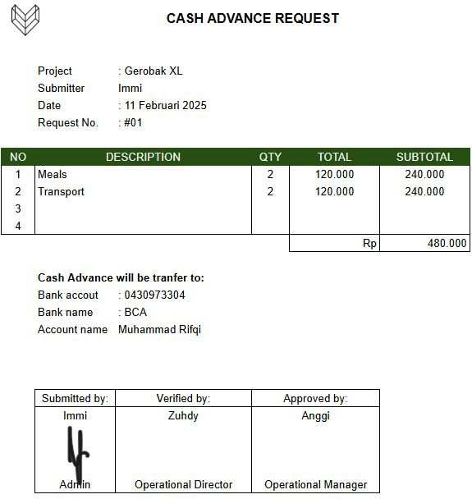
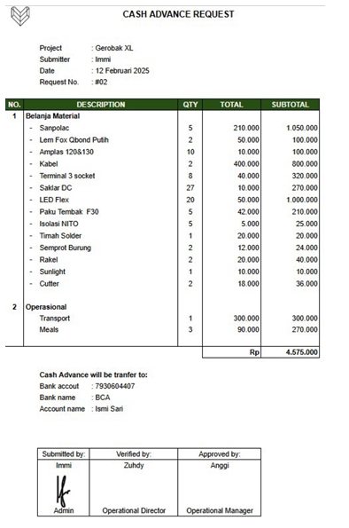
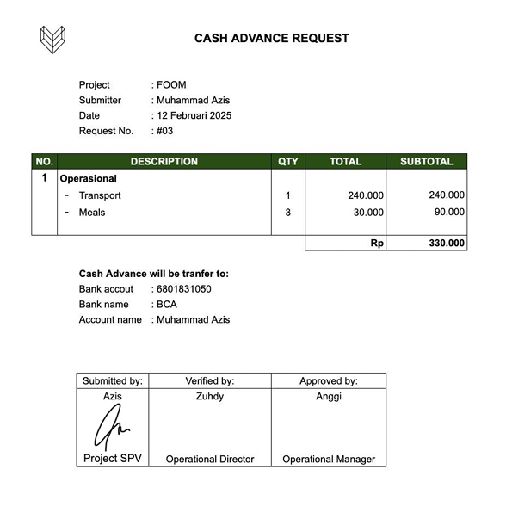
3 | 2025-02-09 | Material | Struk/ Bon/ Nota | Pembelian meterial lighted | 160,000 |  |  |  | Anggi
4 | 2025-02-09 | Transportasi | Bukti Transfer | Isi E Toll ke WS Gn. Sindur | 50,000 |  |  |  | Anggi
5 | 2025-02-09 | Transportasi | Struk/ Bon/ Nota | BBM ke WS Gn. Sindur | 200,000 |  |  |  | Anggi
6 | 2025-02-09 | Transportasi | Invoice/ Kwitansi | Grab Bike Azis Markas - WS Gn. Sindur | 65,500 |  |  |  | Anggi
7 | 2025-02-09 | Material | Struk/ Bon/ Nota | Pembelian material Lem dan Amplas | 78,000 |  |  |  | Anggi
8 | 2025-02-09 | Fee Tukang | Invoice/ Kwitansi | Fee Tukang Listrik 2 shift | 270,000 |  |  |  | Anggi
9 | 2025-02-09 | Fee Tukang | Invoice/ Kwitansi | Fee Tukang Kayu 2 shift | 300,000 |  |  |  | Anggi
10 | 2025-02-09 | Fee Tukang | Invoice/ Kwitansi | Fee Tukang Sticker | 200,000 |  |  |  | Anggi
11 | 2025-02-09 | Fee Tukang | Invoice/ Kwitansi | Fee Tukang (Helper) | 270,000 |  |  |  | Anggi
12 | 2025-02-09 | Fee Tukang | Invoice/ Kwitansi | Fee Tukang (Runner) | 100,000 |  |  |  | Anggi
13 | 2025-02-09 | Printing | Invoice/ Kwitansi | Printingan Sticker biru polos | 117,600 |  |  |  | Anggi
14 | 2025-02-10 | Operational | Bukti Transfer | Pembelian 3 EMaterai Rp 13.500 | 40,500 |  |  |  | Anggi
15 | 2025-02-10 | #1 | Bukti Transfer | Kasbon Juju | 100,000 |  |  |  |  |  |  |  |  | CAR 01 |  |  | CAR 02 | CAR 03
16 | 2025-02-11 | Operational | Bukti Transfer | Pembelian 3 EMaterai Rp 13.500 | 40,500 |  |  |  | Anggi
17 | 2025-02-11 | Credit | Invoice/ Kwitansi | Term 2 Pak Rully |  |  | 25,000,000 |  | -
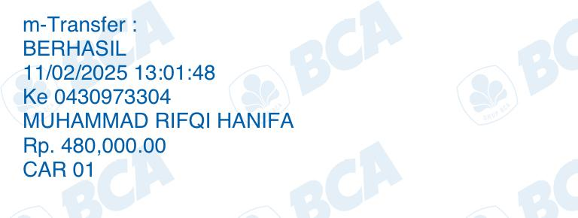
18 | 2025-02-11 | Material | Invoice/ Kwitansi | Pembelian Blokmil 15mm 7 lembar | 1,694,000 |  |  |  | Struk Asli belum
19 | 2025-02-11 | Material | Invoice/ Kwitansi | Pembelian Blokmil 15mm 25 lembar | 6,154,000 |  |  |  | Struk Asli belum | Operational Tim | 32,455,867
20 | 2025-02-11 | Jasa Vendor | Invoice/ Kwitansi | Cnc Cutting 32 lbr blokmin 15mm | 7,270,000 |  |  |  | Anggi
21 | 2025-02-11 | Peralatan | Struk/ Bon/ Nota | Pembelanjaan ATK | 114,000 |  |  |  | Anggi | HPP | 31,274,039
22 | 2025-02-11 | Konsumsi Tim | Struk/ Bon/ Nota | Anggi makan siang di warteg | 29,000 |  |  |  | Anggi | /set | 1,116,930
23 | 2025-02-11 | Konsumsi Tim | Struk/ Bon/ Nota | Konsumsi Tim cemilan sate burung | 50,000 |  |  |  | Anggi
24 | 2025-02-11 | Konsumsi Tim | Struk/ Bon/ Nota | Konsumsi Tim Makan malam 6 orang | 195,000 |  |  |  | Anggi | UANG DEBIT | 72,000,000
25 | 2025-02-11 |  | Bukti Transfer | CAR IMMI TRF KE RIFQI |  | 480,000 |  |  | RIFQI | TOTAL HPP | 63,729,906
26 | 2025-02-11 | Rokok | Tidak Ada | Rokok Juju (marlboro) CASH | 48,000 |  |  |  | RIFQI | Sisa | 8,270,094
27 | 2025-02-11 | Rokok | Bukti Transfer | Rokok lembur (jarcok, marlboro, sampoerna, surya) | 126,500 |  |  |  | RIFQI
28 | 2025-02-11 | Operational | Bukti Transfer | Listrik Markas | 102,500 |  |  |  | RIFQI | V | 9,256,953
29 | 2025-02-11 | Mobilisasi | Invoice/ Kwitansi | Grabcar CNC - Markas | 28,000 |  |  |  | RIFQI
30 | 2025-02-11 | Mobilisasi | Tidak Ada | Tips Grabcar CNC - Markas (bawa material CNC) CASH | 50,000 |  |  |  | RIFQI | TOTAL BILL | 98,784,000 |  |  | a+
31 | 2025-02-11 | Konsumsi Tim | Bukti Transfer | Cafe juju - design pola CNC | 88,000 |  |  |  | RIFQI | MARGIN | 35,054,094 | 17,527,047 | v | 5000000 | 5,500,000 | 7,027,047
32 | 2025-02-11 | Operational | Invoice/ Kwitansi | Paket quota Anggi | 52,000 |  |  |  |  |  | 34.78% | 35.49%
33 | 2025-02-12 | Transportasi | Invoice/ Kwitansi | Grab Azis pulang WS PEP - Markas | 65,000 |  |  |  | Anggi |  | margin bill | margin rev |  | 12,527,047
34 | 2025-02-12 | Konsumsi Tim | Bukti Transfer | OVO Juju | 200,000 |  |  |  | Anggi
35 | 2025-02-12 |  | Bukti Transfer | CA Immi |  | 4,575,000 |  |  |  | BILL | 100,800,000 |  |  |  |  | 7,027,047
36 | 2025-02-12 | Material | Struk/ Bon/ Nota | Belanja material lem, dempul, paku i | 427,000 |  |  |  | CAR 02 (4.575.000) | PPH | 2,016,000
37 | 2025-02-12 | Material | Struk/ Bon/ Nota | Belanja material terminal 3L 8 unit | 160,000 |  |  |  | CAR 02 (4.575.000) |  |  |  | 4,381,761.75 | 3,131,761.75 | 1,250,000.00
38 | 2025-02-12 | Material | Struk/ Bon/ Nota | Belanja material kabel, neonflex, kabel timah | 2,398,900 |  |  |  | CAR 02 (4.575.000) |  |  |  | 3,505,409.40 | 2,505,409.40 | 1,000,000.00
39 | 2025-02-12 | Printing | Struk/ Bon/ Nota | DP 50% Printingan gerobak XL | 1,078,000 |  |  |  | CAR 02 (4.575.000) |  |  |  | 2,629,057.05 | 1,879,057.05 | 750,000.00
40 | 2025-02-12 | Operational | Struk/ Bon/ Nota | Makan siang Tim | 57,700 |  |  |  | CAR 02 (4.575.000)
41 | 2025-02-12 | Operational | Bukti Transfer | Ops Acung 2 hari | 290,000 |  |  |  | Anggi
42 | 2025-02-12 | Credit | Bukti Transfer | Term 3 Pak Rully |  |  | 25,000,000 |  | -
43 | 2025-02-12 | Operational | Invoice/ Kwitansi | Ops Belanja material dan repair 1 Gerobak XL (Achung) | 150,000 |  |  |  | Anggi
44 | 2025-02-12 | Transportasi | Struk/ Bon/ Nota | Lalamove ambil cutting CNC + tip | 100,000 |  |  |  | Anggi
45 | 2025-02-12 | Peralatan | Struk/ Bon/ Nota | Belanja ATK kertas post-it | 8,000 |  |  |  | Anggi
46 | 2025-02-12 | Operational | Bukti Transfer | Paket quota Anggi | 102,000 |  |  |  | Anggi
47 | 2025-02-12 | Material | Struk/ Bon/ Nota | Pembelian PVC Board 2mm XL (Maya) 5 lbr | 875,000 |  |  |  | Anggi
48 | 2025-02-12 | Mobilisasi | Struk/ Bon/ Nota | Lalamove Ambil PVC Board ke WS | 73,981 |  |  |  | Anggi
49 | 2025-02-12 | Mobilisasi | Bukti Transfer | Kekurangan Trf + pick up ambil material CNC | 63,000 |  |  |  | Anggi
50 | 2025-02-12 | Printing | Tidak Ada | Pelunasan pembayaran printingan Box XL | 1,078,000 |  |  |  | Anggi
51 | 2025-02-12 | #1 | Bukti Transfer | Kasbon Juju | 200,000 |  |  |  | Anggi
52 | 2025-02-12 | Mobilisasi | Struk/ Bon/ Nota | Lalamove printingan gasink ke WS | 62,000 |  |  |  | Anggi
53 | 2025-02-12 | Material | Struk/ Bon/ Nota | Belanja material paku i f20 | 120,000 |  |  |  | IMMI
54 | 2025-02-12 | Material | Struk & Bukti Transfer | Belanja material shampo zinc (sabun stiker) | 10,000 |  |  |  | IMMI
55 | 2025-02-12 | Material | Struk & Bukti Transfer | Belanja material cutter | 50,000 |  |  |  | IMMI
56 | 2025-02-12 | Rokok | Bukti Transfer | Rokok tim lembur | 116,000 |  |  |  | IMMI
57 | 2025-02-12 | Fee Tukang | Bukti Transfer | Kasbon tukang Imam | 50,000 |  |  |  | IMMI
58 | 2025-02-12 | Transportasi | Bukti Transfer | Top up Gopay Rifky | 43,000 |  |  |  | Anggi
59 | 2025-02-13 | Transportasi | Bukti Transfer | BBM beat | 12,000 |  |  |  | RIFQI
60 | 2025-02-13 |  | Bukti Transfer | CA RIFQI |  | 90,000 |  |  | RIFQI
61 | 2025-02-13 | Operational | Bukti Transfer | Kartu ismi & juju | 80,000 |  |  |  | RIFQI
62 | 2025-02-13 |  | Bukti Transfer | CA RIFQI |  | 1,000,000 |  |  | RIFQI
63 | 2025-02-13 | Material | Struk/ Bon/ Nota | Pilox hitam dan putih FOOM |  |  |  |  | RIFQI FOOM
64 | 2025-02-13 | Material | Struk & Bukti Transfer | Belanja material pvc board 2mm 3 lbr | 525,000 |  |  |  | Anggi
65 | 2025-02-13 | Material | Struk/ Bon/ Nota | Belanja pilox hitam 2 pcs | 102,500 |  |  |  | Anggi
66 | 2025-02-13 | Mobilisasi | Struk/ Bon/ Nota | Lalamove PVC Board - WS | 87,257 |  |  |  | anggi
67 | 2025-02-13 | Material | Struk/ Bon/ Nota | Belanja material sanding sealer FOOM |  |  |  |  | anggi FOOM
68 | 2025-02-13 | Fee Tukang | Bukti Transfer | Kasbon tukang Imam | 150,000 |  |  |  | IMMI
69 | 2025-02-13 | Printing | Invoice/ Kwitansi | DP printing stiker XL | 1,685,600 |  |  |  | IMMI
70 | 2025-02-13 | Material | Invoice/ Kwitansi | Pelunasan printing stiker XL | 2,054,547 |  |  |  | Anggi
71 | 2025-02-13 | Material | Struk/ Bon/ Nota | Belanja material lem korea dan lem fox | 129,000 |  |  |  | IMMI
72 | 2025-02-13 | Rokok | Bukti Transfer | Roko Juju Via Herri | 102,500 |  |  |  | Anggi
73 | 2025-02-13 | Material | Struk/ Bon/ Nota | Kabel Serabut | 30,000 |  |  |  | IMMI
74 | 2025-02-13 | Material | Struk/ Bon/ Nota | Lem Korea | 129,000 |  |  |  | IMMI
75 | 2025-02-13 | Material | Struk/ Bon/ Nota | Material bahan sanpolac dsb | 693,000 |  |  |  | IMMI
76 | 2025-02-13 | Material | Struk/ Bon/ Nota | isi cutter | 50,000 |  |  |  | IMMI
77 | 2025-02-13 | Material | Struk/ Bon/ Nota | Terminal 3 socket | 208,000 |  |  |  | IMMI
78 | 2025-02-13 | Material | Struk/ Bon/ Nota | Lem tembak | 75,000 |  |  |  | IMMI
79 | 2025-02-13 | Printing | Struk/ Bon/ Nota | DP Printingan XL | 498,597 |  |  |  | IMMI
80 | 2025-02-13 | Transportasi | Invoice/ Kwitansi | Transport Immi | 14,000
81 | 2025-02-13 | Operational | Bukti Transfer | Pulsa Juju | 52,000 |  |  |  | Anggi
82 | 2025-02-13 | Material | Bukti Transfer | PVS Board 2mm 3 lbr XL (Maya) | 525,000 |  |  |  | Anggi
83 | 2025-02-13 | Transportasi | Struk & Bukti Transfer | BBM Anggi | 200,000 |  |  |  | Anggi
84 | 2025-02-13 | Operational | Bukti Transfer | Anggi tarik Ops cash 100 | 100,000 |  |  |  | Anggi
85 | 2025-02-13 | Konsumsi Tim | Bukti Transfer | Meals Rifky | 90,000 |  |  |  | Anggi
86 | 2025-02-13 | Material | Struk/ Bon/ Nota | Beli Trimil 4 lbr | 700,000 |  |  |  | Anggi
87 | 2025-02-14 | Material | Bukti Transfer | Kekurangan transfer sanding sealer | 5,000 |  |  |  | anggi
88 | 2025-02-14 | Transportasi | Struk/ Bon/ Nota | Transport IMMI pulang | 32,500 |  |  |  | IMMI
89 | 2025-02-14 | Material | Struk/ Bon/ Nota | Powerglu lem 1 duz | 346,000 |  |  |  | IMMI
90 | 2025-02-14 | Material | Struk/ Bon/ Nota | Neon Flex | 2,300,000 |  |  |  | IMMI
91 | 2025-02-14 | Material | Struk/ Bon/ Nota | Matabor | 80,000 |  |  |  | IMMI
92 | 2025-02-14 | Material | Struk/ Bon/ Nota | skrin | 20,000 |  |  |  | IMMI
93 | 2025-02-14 | Konsumsi Tim | Struk/ Bon/ Nota | Meals | 3,600 |  |  |  | IMMI
94 | 2025-02-14 | Rokok | Bukti Transfer | Rokok Mas Juju (cash) | 50,000 |  |  |  | IMMI
95 | 2025-02-14 | Transportasi | Struk/ Bon/ Nota | Transport Immi Arinda - WS | 26,000 |  |  |  | IMMI
96 |  | Material | Struk/ Bon/ Nota | Baut | 135,000 |  |  |  | IMMI
97 | 2025-02-14 | Rokok | Bukti Transfer | Roko Juju via bule | 50,000 |  |  |  | Anggi
98 | 2025-02-14 | Konsumsi Tim | Bukti Transfer | OVO Juju | 200,000 |  |  |  | Anggi
99 | 2025-02-14 | #1 | Bukti Transfer | Ops Survey Juju Pertamina | 1,500,000 |  |  |  | Anggi
100 | 2025-02-14 | #1 | Bukti Transfer | Beli Baju Juju utk meeting ke OVO | 1,500,000 |  |  |  | Anggi
101 | 2025-02-14 | Mobilisasi | Invoice/ Kwitansi | Lalamove gasink - pep - ws + tips | 162,420 |  |  |  | RIFQI
102 | 2025-02-14 |  | Bukti Transfer | Masuk uang dari ISMI |  | 850,000 |  |  | RIFQI
103 | 2025-02-14 | Material | Struk/ Bon/ Nota | Material dexton, cutter & isi, kabel tis | 513,000 |  |  |  | RIFQI
104 | 2025-02-15 | Material | Bukti Transfer | Listrik Markas via Azis | 200,000 |  |  |  | Anggi
105 | 2025-02-15 | #1 | Bukti Transfer | Kasbon Juju | 500,000 |  |  |  | Anggi
106 | 2025-02-15 | Rokok | Bukti Transfer | Konsumsi Anggi + rokok | 42,500 |  |  |  | Anggi
107 | 2025-02-15 | Konsumsi Tim | Bukti Transfer | Juju - via Amri Suwardi | 50,000 |  |  |  | Anggi
108 | 2025-02-15 | Konsumsi Tim | Bukti Transfer | Makan Mlm Anggi Juju di Markas (Gofood Sei sapi) | 73,000 |  |  |  | Anggi
109 | 2025-02-15 | #1 | Bukti Transfer | GaJI Bi Nur (Cash) | 2,000,000 |  |  |  | Anggi
110 | 2025-02-15 | Operational | Bukti Transfer | Anggi tarik cash 100 | 100,000 |  |  |  | Anggi
111 | 2025-02-15 | Fee Tukang | Bukti Transfer | Kasbon imam | 500,000 |  |  |  | IMMI
112 | 2025-02-15 | Material | Struk/ Bon/ Nota | Timah | 12,500 |  |  |  | IMMI
113 | 2025-02-15 | #1 | Bukti Transfer | Kasbon Juju | 500,000 |  |  |  | IMMI
114 | 2025-02-15 | Material | Struk/ Bon/ Nota | Kabel NYAF | 349,600 |  |  |  | IMMI
115 | 2025-02-15 | Rokok | Bukti Transfer | Rokok Tim | 124,000 |  |  |  | IMMI
116 | 2025-02-15 | Printing | Struk/ Bon/ Nota | DP Sticker | 698,250 |  |  |  | IMMI
117 | 2025-02-15 | Printing | Struk/ Bon/ Nota | Pelunasan Sticker | 698,250 |  |  |  | IMMI
118 | 2025-02-15 | Rokok | Bukti Transfer | Rokok | 74,000 |  |  |  | IMMI
119 | 2025-02-15 | Konsumsi Tim | Bukti Transfer | Meals Team | 83,200 |  |  |  | IMMI
120 | 2025-02-15 | Rokok | Bukti Transfer | Rokok | 50,000 |  |  |  | IMMI
121 | 2025-02-15 | Mobilisasi | Bukti Transfer | Lalamove gasink - ws | 28,718
122 | 2025-02-15 | Material | Bukti Transfer | PVS Board 2mm 3 lbr XL (Maya) | 525,000 |  |  |  | Anggi
123 | 2025-02-15 | Konsumsi Tim | Bukti Transfer | Beli minum di Alfamart (FGR) | 34,600 |  |  |  | Anggi
124 | 2025-02-16 |  | Bukti Transfer | CA Immi |  | 1,000,000
125 | 2025-02-16 | Rokok | Bukti Transfer | Rokok Juju | 50,000 |  |  |  | IMMI
126 | 2025-02-16 | Transportasi | Invoice/ Kwitansi | Transport survey venue WS - JHL grabcar | 135,000 |  |  |  | RIFQI - FGR
127 | 2025-02-16 | Transportasi | Invoice/ Kwitansi | Transport survey venue JHL - WS gocar | 94,000 |  |  |  | RIFQI - FGR
128 | 2025-02-16 | Printing | Invoice/ Kwitansi | DP Printing sticker Biru XL | 588,000 |  |  |  | ANGGI
129 | 2025-02-16 | #2 | Struk/ Bon/ Nota | Anggi jajan Alfamart | 35,400 |  |  |  | ANGGI
130 | 2025-02-16 | Printing | Invoice/ Kwitansi | Pelunasan Printing sticker Biru XL | 588,000 |  |  |  | ANGGI
131 | 2025-02-16 | Mobilisasi | Struk/ Bon/ Nota | Lalamove printingan | 45,500 |  |  |  | IMMI
132 | 2025-02-16 | Fee Tukang | Struk/ Bon/ Nota | Imam Kasbon | 300,000 |  |  |  | IMMI
133 | 2025-02-16 | Transportasi | Struk/ Bon/ Nota | BBM Anggi (Loading FGR) | 200,000
134 | 2025-02-16 | Credit | Invoice/ Kwitansi | Term 4 Pak Rully |  |  | 10,000,000 |  | -
135 | 2025-02-16 | Credit | Invoice/ Kwitansi | Kasbon sharing margin |  |  | 10,000,000 |  | -
136 | 2025-02-17 | Transportasi | Invoice/ Kwitansi | Transport Loading in JHL - WS gocar | 126,500 |  |  |  | RIFQI - FGR
137 | 2025-02-17 | Material | Bukti Transfer | Blokmin (Dian) | 700,000 |  |  |  | ANGGI
138 | 2025-02-17 | Fee Tukang | Bukti Transfer | Tukang dian (Dian) | 150,000 |  |  |  | ANGGI
139 | 2025-02-17 | Material | Bukti Transfer | Kertasive (Dian) | 2,450,000 |  |  |  | ANGGI
140 | 2025-02-17 | Jasa Vendor | Bukti Transfer | Listrik (Dian) | 100,000 |  |  |  | ANGGI
141 | 2025-02-17 | Konsumsi Tim | Bukti Transfer | Utang J ke Dian | 100,000 |  |  |  | ANGGI
142 | 2025-02-17 | Rokok | Bukti Transfer | Bensin 2liter + rokok | 59,000 |  |  |  | RIFQI
143 | 2025-02-17 | Transportasi | Struk/ Bon/ Nota | Bensin | 25,000 |  |  |  | IMMI
144 | 2025-02-17 | Rokok | Bukti Transfer | Rokok Team | 159,000 |  |  |  | IMMI
145 | 2025-02-17 | Konsumsi Tim | Bukti Transfer | Refreshment (Tahu Gejrot) | 45,000 |  |  |  | IMMI
146 | 2025-02-17 | Konsumsi Tim | Struk/ Bon/ Nota | Refreshment (Kopi Kenangan) | 166,900 |  |  |  | IMMI |  | 39
147 | 2025-02-17 | Rokok | Bukti Transfer | Konsumsi & Rokok Anggi Rifky Load FGR - Alfamidi | 65,500 |  |  |  | Anggi |  | 8,500,000,000
148 |  | Transportasi |  | Transport Immi | 24,000
149 | 2025-02-17 | Rokok | Bukti Transfer | Roko Tim (Alfamart) | 84,100 |  |  |  | Anggi |  | 217,948,718
150 | 2025-02-17 | Material | Bukti Transfer | Material Melamin & Blokmil | 1,688,500 |  |  |  | Anggi
151 | 2025-02-17 | Mobilisasi | Bukti Transfer | Lalamove material ke WS | 82,578 |  |  |  | Anggi
152 | 2025-02-17 | Material | Bukti Transfer | CNC Blokmil | 1,090,000 |  |  |  | Anggi
153 | 2025-02-18 | Transportasi | Invoice/ Kwitansi | Gocar ws - kosan | 19,500 |  |  |  | RIFQI
154 | 2025-02-18 | Operational | Struk/ Bon/ Nota | Materai 3 (FGR) | 36,000 |  |  |  | Anggi - FGR
155 | 2025-02-18 | Material | Bukti Transfer | Beli kabel saklar | 304,680 |  |  |  | Anggi
156 | 2025-02-18 | #1 | Bukti Transfer | Kasbon Juju | 200,000 |  |  |  | Anggi
157 | 2025-02-18 | Rokok | Bukti Transfer | Roko Juju | 50,000 |  |  |  | Anggi
158 | 2025-02-18 | Jasa Vendor | Bukti Transfer | Pembayaran Fee Tukang di A+ | 10,000,000 |  |  |  | Anggi
159 | 2025-02-18 | #1 | Bukti Transfer | Kasbon Juju | 500,000 |  |  |  | Anggi
160 | 2025-02-18 | Konsumsi Tim | Struk/ Bon/ Nota | Meals Immi rifqi juju | 87,000 |  |  |  | IMMI
161 | 2025-02-18 | Transportasi | Invoice/ Kwitansi | Transport pulang Immi | 24,000 |  |  |  | IMMI
162 | 2025-02-19 | #2 | Bukti Transfer | Kasbon Anggi RS | 255,000 |  |  |  | Anggi
163 | 2025-02-19 | #2 | Bukti Transfer | Kasbon Anggi RS | 125,000 |  |  |  | Anggi
164 | 2025-02-19 | Printing |  | Printing Sticker Biru | 352,800 |  |  |  | Anggi
165 | 2025-02-19 | Material |  | Pembelian NYAF XL | 149,840 |  |  |  | Anggi
166 | 2025-02-19 | Fee Tukang |  | Kasbon Imam | 300,000 |  |  |  | Anggi
167 | 2025-02-19 | Konsumsi Tim | Struk/ Bon/ Nota | Meals immi | 51,200 |  |  |  | IMMI
168 | 2025-02-19 | Transportasi | Struk/ Bon/ Nota | Transport Immi ke WS | 24,000 |  |  |  | IMMI
169 | 2025-02-19 | Transportasi | Struk/ Bon/ Nota | Transport Immi pulang | 29,000 |  |  |  | IMMI
170 | 2025-02-19 | Mobilisasi | Struk/ Bon/ Nota | Lalamove Gasink | 28,718 |  |  |  | IMMI
171 | 2025-02-19 | #2 | Struk & Bukti Transfer | Anggi - Alfamart | 148,000
172 | 2025-02-20 | Konsumsi Tim | Bukti Transfer | OVO Juju | 200,000 |  |  |  | Anggi
173 | 2025-02-20 | #2 | Bukti Transfer | Kasbon Anggi Apotek | 35,000 |  |  |  | Anggi
174 | 2025-02-20 | Konsumsi Tim | Bukti Transfer | Konsumsi Anggi | 16,000 |  |  |  | Anggi
175 | 2025-02-20 | Konsumsi Tim | Bukti Transfer | Ovo Juju | 100,000 |  |  |  | Anggi
176 | 2025-02-20 | #2 | Bukti Transfer | Kasbon Steam Mobil Anggi | 40,000 |  |  |  | Anggi
177 | 2025-02-20 | Konsumsi Tim | Bukti Transfer | Ovo Juju | 100,000 |  |  |  | Anggi
178 | 2025-02-20 | Konsumsi Tim | Bukti Transfer | Jajan Bakso Tim di WS | 27,000 |  |  |  | Anggi
179 | 2025-02-20 | Transportasi | Bukti Transfer | Gojek Rifky ke WS | 13,000 |  |  |  | Anggi
180 | 2025-02-20 | Konsumsi Tim | Struk/ Bon/ Nota | Makan malam lembur rifqi juju | 46,000 |  |  |  | RIFQI |  |  |  | #REF!
181 | 2025-02-21 | Konsumsi Tim | Struk & Bukti Transfer | Jajan Alfamart | 102,600 |  |  |  | Anggi
182 | 2025-02-21 | Transportasi | Bukti Transfer | Bensin motor acung 2 liter | 24,000 |  |  |  | RIFQI |  | sisa saldo immi |  | #REF!
183 | 2025-02-21 | Transportasi | Invoice/ Kwitansi | Gojek kosan ws | 11,000 |  |  |  | RIFQI
184 | 2025-02-22 | Fee Tukang | Bukti Transfer | Sisa Fee Imam | 200,000 |  |  |  | Anggi
185 | 2025-02-22 | Konsumsi Tim | Bukti Transfer | Ovo Juju - Grabfood Kopi | 150,000 |  |  |  | Anggi
186 | 2025-02-22 | Konsumsi Tim | Bukti Transfer | Ovo Juju | 200,000
187 | 2025-02-23 | Transportasi | Struk/ Bon/ Nota | BBM Anggi | 100,000
188 | 2025-02-23 | Meals | Bukti Transfer | Makan Anggi di WS | 22,000
189 | 2025-02-23 | Operational | Invoice/ Kwitansi | Listrik Markas | 103,000
190 | 2025-02-24 | Konsumsi Tim | Bukti Transfer | OVO Juju - Konsumsi Tim | 150,000
191 | 2025-02-24 | Operational | Bukti Transfer | Beli E Materai (HUT PPN28) | 24,500
 | 2025-02-16 |  |  | OVO Juju | 100,000
 | 2025-02-17 |  |  | Lalamove material ke WS A+ | 82,578
 | 2025-02-18 |  |  | Makan malam Immi Rifky | 37,000
 | 2025-02-18 |  |  | Makan malam Juju & Bogel | 81,000
 | 2025-02-19 |  |  | Ganti Ban Motor Achung | 322,000
 | 2025-02-23 |  |  | Listrik Markas | 103,000

 |  |  |  | CA Immi |  | 4,360,000

 |  |  |  | CA Immi |  | 5,000,000

 |  |  |  |  |  |  |  |  |  | 20,000,000 | 22,416,000 | 241600000.00%
 |  |  |  |  |  |  |  |  |  |  | 2,000,000 | 161600000.00%
 |  |  |  |  |  |  |  |  |  |  | 20,416,000 | 120000000.00%
 |  |  |  |  |  |  |  |  |  |  | 800,000 | 41600000.00%

